Roaming, Autosum & Shortcuts
Roaming (^ = Control Key)
* ^A
* Regions
* ^Home, ^End, ^Up Arrow, ^Dn Arrow
* Using Shift Key
* Mouse with Shift
* Selection using Keyboard
* Non-contegeous selection Using Ctrl & Mouse
* Non-contegeous selection Using F8 & Shift+F8
* Using Autosum (Alt =)
* Undo / Repeat (^Z / ^Y F4)
* Cut / Copy & Paste (^X / ^C & ^V)
* Goto Special (^G), (^H)
* Editing Cells
* ^ Space Shift Space ^0 hide col ^9 hide row
Balance Sheet
BOC Pakistan
 | 2010 | 2009 | 2008 | 2007 | 2006 | 2005 | Total

Equity and Liabilities
Total equity | 1491130 | 1452706 | 1507427 | 1426132 | 1345068 | 1063127
Totol non-current liabilities | 317776 | 317599 | 342125 | 381556 | 373949 | 368126
Total current Liabilities | 578329 | 545644 | 462748 | 471324 | 458755 | 533591
Total Equity and Liabilities

Assets
Total Non-Current Assets | 1342471 | 1276004 | 1380166 | 1190726 | 1313880 | 1321234
Total current assets | 1044764 | 1039945 | 932134 | 1088286 | 863892 | 643610
Total Assets

Key Learning:
* Regions
* Shortcuts

Borders
Create BORDERS in the BLUE cells
to match the pattern in the YELLOW cells.
 |  | Exercise 1 | Exercise 2 | Cell Size Border Example, (remove it)

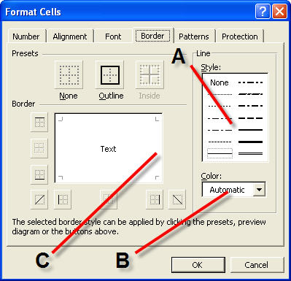

 | Key Learning:
 | * Borders

Excel Functions by Categories
Distribution of Functions by Categories

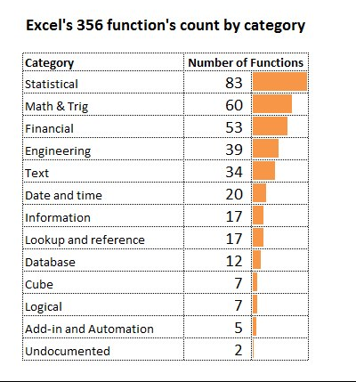

Key Learning:
* Looking at Funcitons with Different Perspective

Paste Sp-Transp-Val-PstOpt
Product ID | Price | Commission
414 | $28.00 | $2.80
203 | $30.00 | $3.00
933 | $28.00 | $2.80
782 | $33.00 | $3.30
166 | $9.00 | $0.90
665 | $40.00 | $4.00
762 | $32.00 | $3.20
873 | $9.00 | $0.90
971 | $34.00 | $3.40

Converting Text to Numbers
100 |  | 1
101
102
103
104
105
106
107
108
109
110

Paste Special

 | Can be very useful for editing and altering data in a spreadsheet

 | A. Convert Formulas to Values:
Steps
1 | Highlight the cells you want to convert to values and select Copy
2 | Move to the home position where you want to paste
3 | Select Paste Special and check Values

 | Store A | Store B | Store C | Total
 | 1,050.00 | 950.00 | 680.00 | 2,680.00
 | 755.00 | 250.00 | 552.00 | 1,557.00
 | 890.00 | 195.00 | 265.00 | 1,350.00
 | 1,175.00 | 480.00 | 805.00 | 2,460.00

 | B. Convert Text Values into Real Values or positive values to negative values
Steps
1 | Select an empty cell and enter 1 or -1
2 | From the main menu, select Edit Copy for the cell with 1 in it
3 | Highlight the text values you need to convert
4 | Select Edit Paste Special and select the Multiply option
5 | Under Paste, click Values and then click OK

 | -1 | 118
 |  | 122
 |  | 135
 |  | 144
 |  | 174

 | C. Use Paste Special to Copy a Format: (Very useful for tables and chart formatting differences)
Steps
1 | Select the cell range / chart / table you want to use as your format
2 | Control-C to Copy or from the main menu, select Edit > Copy
3 | Select the cell range / chart / table you want to change in terms of formatting
4 | From the main menu, select Edit > Paste Special > Formats

 | Chart 1 has this format: |  |  |  | Chart 2 has a different format:

Comparison of Store Sales
 | Sales
 | 1175
 | 480
 | 805
 | Sales
 | 1050
 | 950
 | 680

 | Key Learning:
 | * Paste Formatting

Asbolute Relative Reference
$
Relative Reference
Absolute Reference
Mixed Reference

Commission |  | 3%

Year | Sales | Commission
1997 | 68670
1998 | 67443
1999 | 62088
2000 | 58572
2001 | 60254
2002 | 52163
2003 | 54914
2004 | 67539
2005 | 61871
2006 | 65895
2007 | 65596
2008 | 56880
2009 | 64770
2010 | 65133

Present Value: Mixed References, table with Validation

Key Learning:
* Absolute & Mixed References
* Dynamic what-if model

Inserting Comments
Product/Month | Jan | Feb | Mar | Apr | May | Jun | Jul | Aug | Sep | Oct | Nov | Dec | Total
Carlota | 4 | 8 | 23 | 29 | 10 | 18 | 30 | 12 | 15 | 2 | 11 | 25 | 187
Yanaki | 15 | 16 | 17 | 8 | 2 | 31 | 32 | 18 | 24 | 30 | 3 | 26 | 222
Aspen | 22 | 44 | 0 | 6 | 31 | 22 | 30 | 22 | 34 | 43 | 33 | 40 | 327
Sunset | 39 | 37 | 0 | 24 | 17 | 22 | 0 | 29 | 31 | 6 | 29 | 17 | 251
Delicate Arch | 49 | 10 | 7 | 32 | 2 | 13 | 19 | 45 | 39 | 40 | 24 | 24 | 304
Bellen | 15 | 43 | 14 | 21 | 7 | 11 | 38 | 18 | 41 | 37 | 18 | 38 | 301
Total | 144 | 158 | 61 | 120 | 69 | 117 | 149 | 144 | 184 | 158 | 118 | 170

TIP ► | Format your comments by clicking on the border edge:

 | The example below brings up an image file as the comment:

1 | Select the edge of the comment box and right click
2 | From the Format Comment dialog box, select Colors and Lines
3 | In the Fill section, open the Color box and choose Fill Effects
4 | Click the Picture tab and select the Picture you want to use

TIP ► | Print out your comments:
1 | From the main tool bar, select Page Layout > Page Setup (dialog launcher) > Sheet
2 | Select from the Comments drop down list. (None) is the default. Select At end of sheet if you want to
 | print a separate page. Select As displayed on sheet if you want to print only displayed comments.

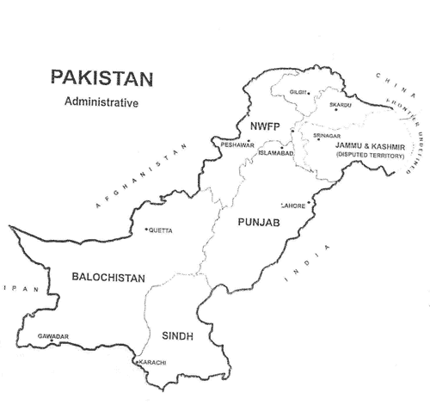

Reserves

(Unless otherwise specified, all financials are in INR Million) |  |  |  |  |  |  | FY06A | FY07A | FY08A | FY09A | FY10A | FY11E | FY12E | FY13E | FY14E | FY15E

Share Capital |  |  |  |  |  |  | 63,164 | 63,164 | 63,164 | 63,164 | 63,164 | 63,164 | 63,164 | 63,164 | 63,164 | 63,164
 | Reserves
 |  | Capital Reserves |  |  |  |  | 166 | 162 | 157 | 152 | 104 | 104 | 104 | 104 | 104 | 104
 |  | Capital Redemption Reserves |  |  |  |  | 18,084 | 18,084 | 18,084 | 18,084 | 18,084 | 18,084 | 18,084 | 18,084 | 18,084 | 18,084
 |  | Reserve for Foreign Exchange Transactions |  |  |  |  | 912 | 1,050 | 1,117 | 1,187 | 1,260 | 1,332 | 1,405 | 1,477 | 1,550 | 1,623
 |  | CSR Reserve |  |  |  |  | - | - | - | - | 1,519 | 1,519 | 1,519 | 1,519 | 1,519 | 1,519
 |  | General Reserve (Including Bond Redemption Reserve) |  |  |  |  | 41,888 | 48,685 | 57,397 | 66,736 | 79,480 | 96,910 | 119,184 | 146,904 | 182,495 | 228,973
 |  | Total Reserves |  |  |  |  | 61,049 | 67,980 | 76,755 | 86,159 | 100,447 | 117,949 | 140,295 | 168,088 | 203,752 | 250,303

 |  | Balance Carried Forward |  |  |  |  | 18,324 | 30,988 | 32,088 | 40,759 | 94,842 | 130,866 | 167,886 | 211,543 | 274,024 | 361,970
Total Reserve and Surplus |  |  |  |  |  |  | 79,373 | 98,968 | 108,843 | 126,918 | 195,289 | 248,815 | 308,181 | 379,631 | 477,776 | 612,273
 | Less: Miscellaneous Expenditure(Not written off) |  |  |  |  |  | - | - | - | 0 | 15 | - | - | - | - | -

Net Worth |  |  |  |  |  |  | 142,536 | 162,131 | 172,007 | 190,081 | 258,437 | 311,978 | 371,345 | 442,795 | 540,940 | 675,437

